SkillMap
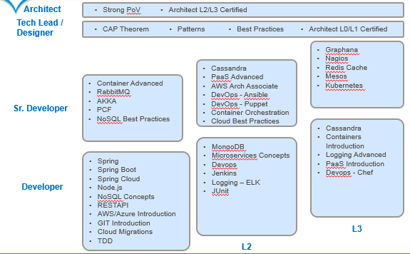
Cloud Full Stack Developer Foot Print

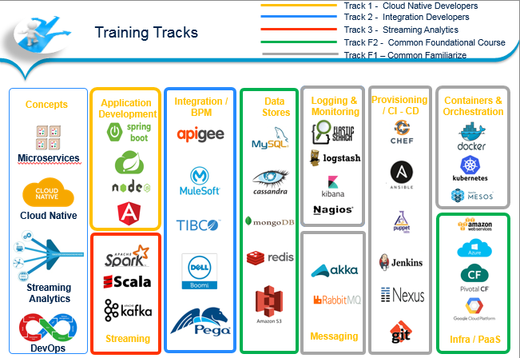
 | Note
 | 1 | It's not important to master all, but there are certainly some topics to master, and some to just familiarize with early on
 | 2 | There are 3 tracks - Integration, Cloud Native, and Spark
 | 3 | todays demand is not for a silo'ed developer, but for developers who can put on multiple hats
 | 4 | It is expected that all resources part of CFS family would have undergoing one cloud certification atleast (AWS or Azure or GCP) irrespective of your track
 | 5 | The full stack is a combination of Track Specific courses, and Track Agnostic; For ex: only CloudNative stream developers would learn Node.js, while NoSQl /Akka would be learnt by all

